TestSummary
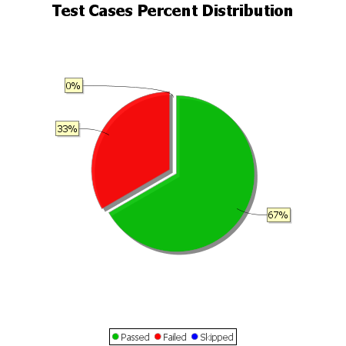
Total Test Cases | 18
Test Cases Passed | 12
Test Cases Failed | 6
Test Cases Skipped | 0

